ART
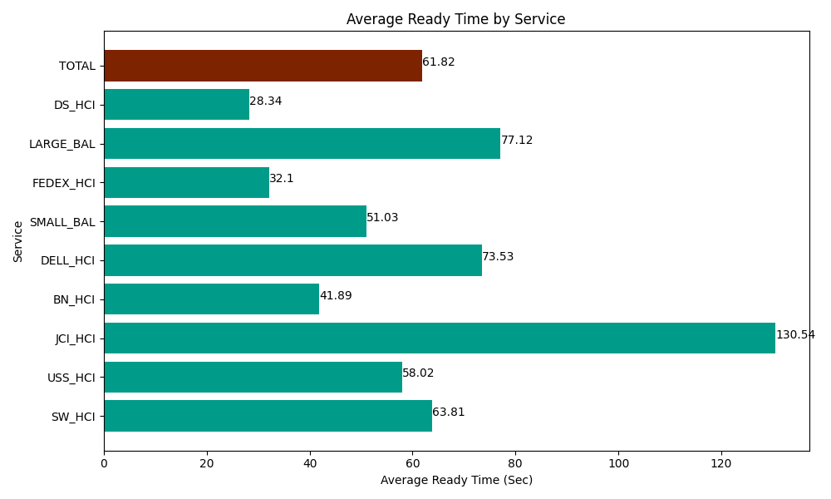
Date | Service | Successful Op Transfer | In Call (Sec) | Ready (Sec) | Wrapup (Sec) | Not Ready (Sec) | Average Ready Time (Sec)
05-20-2024 | SW_HCI | 61 | 2461.2000275 | 3892.2001648 | 3886.7999268 | 4500 | 63.81
05-20-2024 | USS_HCI | 302 | 47130 | 17521.199341 | 38907.000732 | 20558.999634 | 58.02
05-20-2024 | JCI_HCI | 68 | 6910.8000183 | 8876.9998169 | 6598.2000732 | 622.19999313 | 130.54
05-20-2024 | BN_HCI | 892 | 51718.198242 | 37366.201172 | 77671.801758 | 77365.202637 | 41.89
05-20-2024 | DELL_HCI | 88 | 7984.8001099 | 6470.9999084 | 30841.201172 | 9568.7997437 | 73.53
05-20-2024 | SMALL_BAL | 283 | 18495 | 14441.999817 | 36945 | 43099.200439 | 51.03
05-20-2024 | FEDEX_HCI | 50 | 6517.7998352 | 1605 | 4854.0000916 | 12127.800293 | 32.1
05-20-2024 | LARGE_BAL | 15 | 1922.9999542 | 1156.8000412 | 1054.1999817 | 151.79999828 | 77.12
05-20-2024 | DS_HCI | 725 | 43789.801025 | 20543.999634 | 74981.99707 | 72826.201172 | 28.34
 | TOTAL | 2484 | 186930.59921 | 111875.39989 | 275740.20081 | 240820.20391 | 61.82

